Instructions
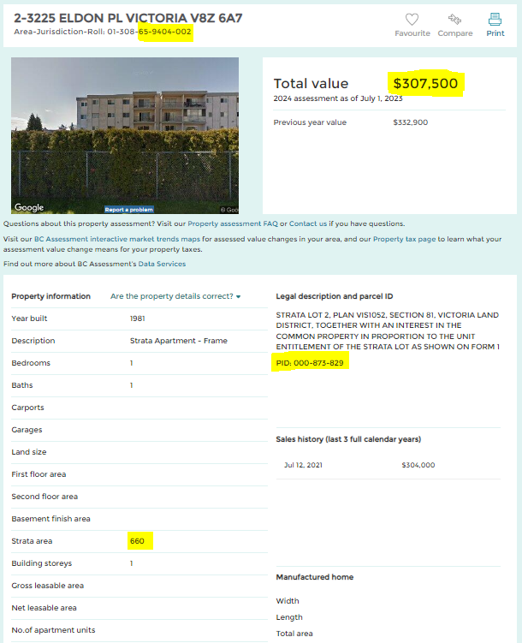
STRATA LOT INFORMATION SHEET
INSTRUCTIONS
1 | Please read these instructions in full before filling out the Strata Lot Information Sheet

2 | The Application Information Sheet (2nd tab of this workboook) must be filled out and attached with your submission at the time of application.
 | All information is available on BC Assessment to fill out the Application Information Sheet. Please see definitions and examples below.
 | Be sure that the Total Unit Entitlement matches the total for your Strata to ensure you have entered each Unit Entitlement correctly

3 | When your project is complete, please fill out and submit the Project Completion Information Sheet (3rd tab of this workbook) with your submission.

GUIDANCE AND DEFINITIONS:
Strata Unit Number: |  | This is the property address for the unit.
Folio/Property Roll Number |  | Visit bcassessment.ca Search for the civic address for one unit. Look for the Area-Jurisdiction-Roll number (e.g. 01-308-65-9404-002). The Folio/Roll Number is the last 9 digits of this number (XX-XXXX-XXX). See the example below.
Parcel ID (PID): |  | In the BC Assessment information, the PID is in the legal description. See the example below.
Assessed value: |  | In the BC Assessment information, the most recent assed value is shown beside Total Value. See the example below.
Strata Floor Area |  | In the BC Assessment information, the square footage of each unit is listed under "strata area". See example below.
Repeat these steps to search for the Roll, PID, and assessed value for each strata unit.
Unit Entitlement: |  | The Schedule of Unit Entitlement for your strata corporation lists a numerical value for each strata lot which sets the basis to calculate strata fees and special levies. If the strata plan was filed before July 1, 2000 the Schedule of Unit Entitlement is included in the strata plan document. If the strata plan was filed on or after July 1, 2000 it is a separate document called a Form V: Schedule of Unit Entitlement. You can get a copy of the Schedule of Unit Entitlement from the Land Title Office. ltsa.ca
 |  | When filling out the Unit Entitement for each strata lot, be sure the final Total Strata Unit Entitlement is the correct total to confirm you have entered all the Unit Entitlements correctly.

